stg
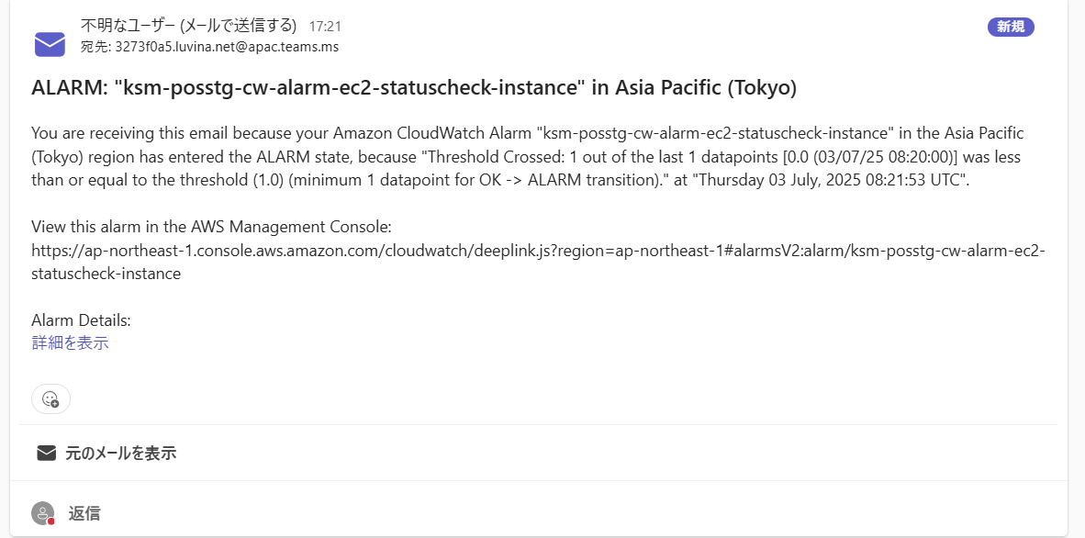
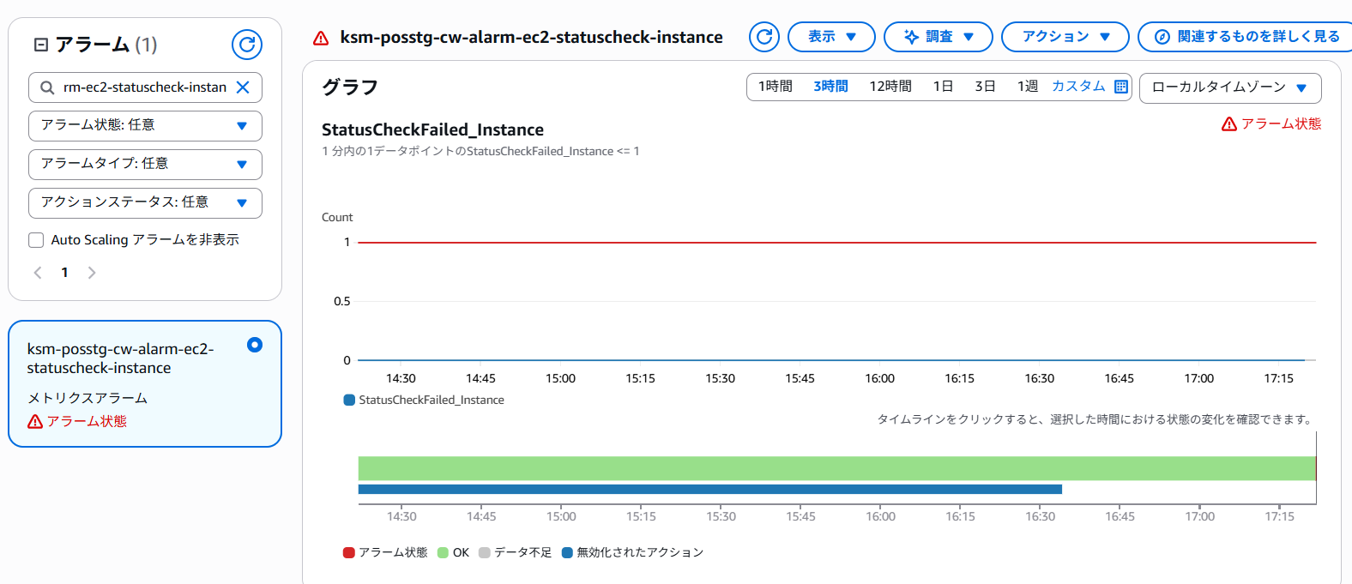
Aurora
ksm-posstg-cw-alarm-db-volume-used-replica

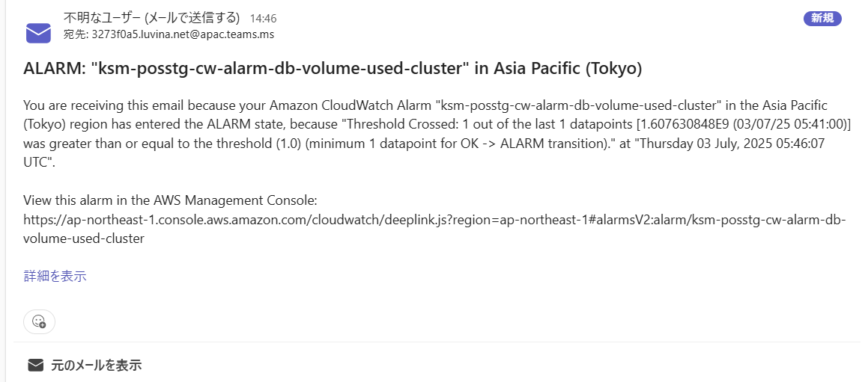
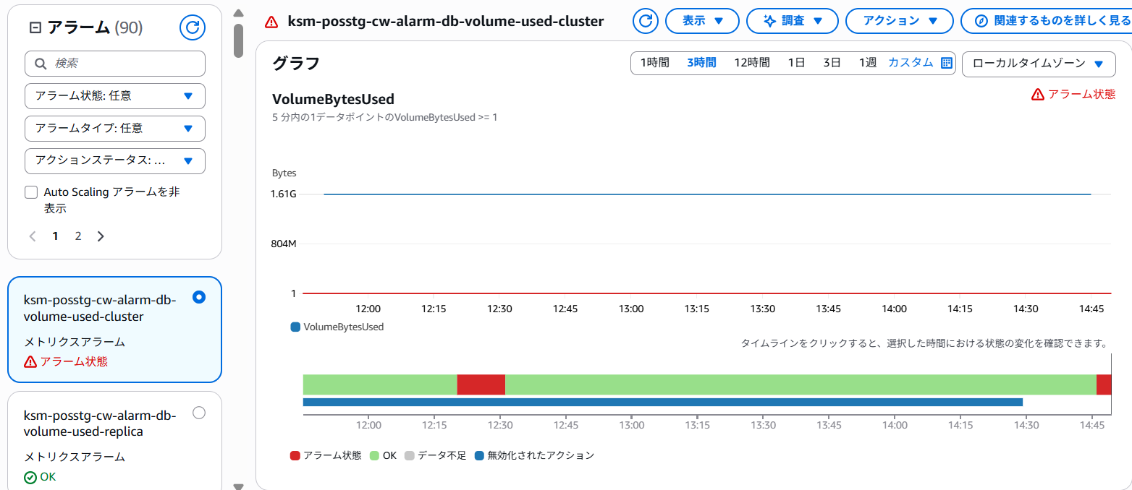

StepFunctions
ksm-posstg-cw-alarm-sf-executions-failed-send
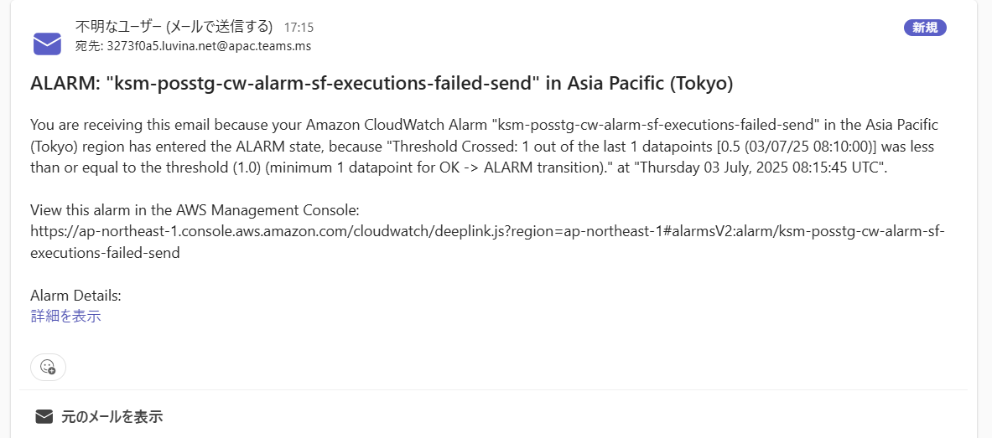
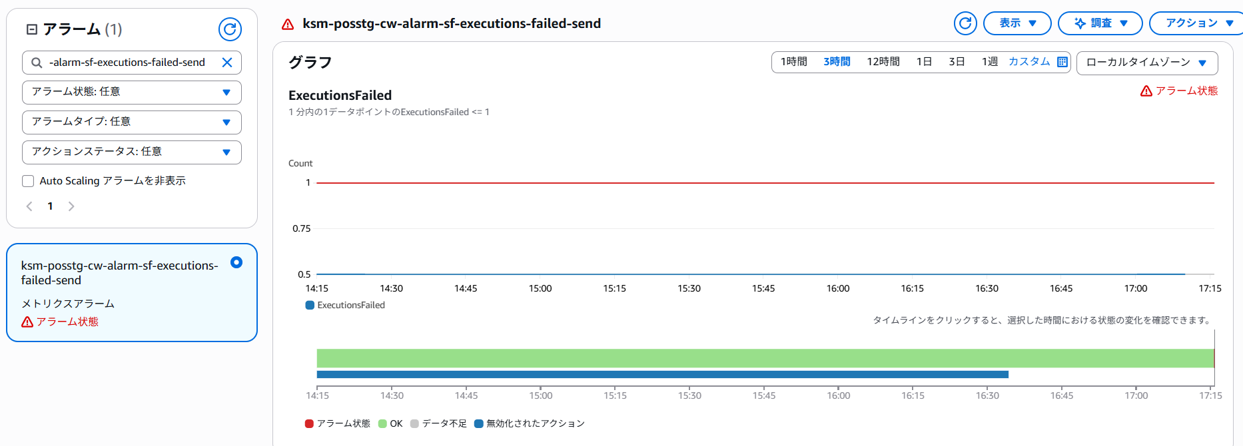

EC2
ksm-posstg-cw-alarm-ec2-statuscheck-instance

